Hoja1
Photo | Composition | Colours | S | M | L | XL | XXL | 3XL | TOTAL | TOTAL colours & sizes
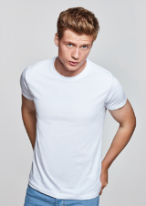 |  |  | 50 | 70 | 90 | 90 | 70 | 50 | 420 | 1260

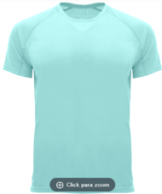 |  |  | 50 | 70 | 90 | 90 | 70 | 50 | 420 | 9660

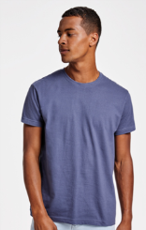 |  |  | 10 | 20 | 30 | 30 | 20 | 10 | 120 | 3000

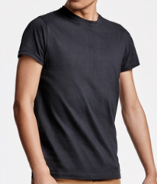 |  |  | 20 | 30 | 40 | 40 | 30 | 20 | 180 | 360

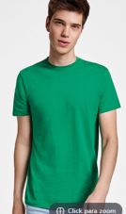 |  |  | 75 | 95 | 115 | 115 | 95 | 75 | 570 | 6270

TOTAL |  |  |  |  |  |  |  |  |  | 20550

